Macro Instructions
How to Use the Macro Function(s)
The purpose of this workbook is to provide a self-service mechanism for CMs to upload their monthly trackers into the BI Database.

BEFORE YOU BEGIN!
✔ Please ensure you have the MySQL ODBC Driver (v 5.3) installed on your machine.

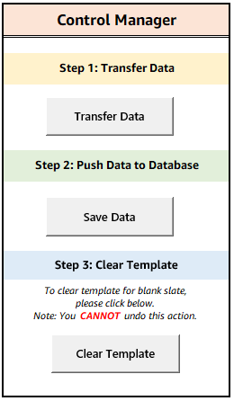
Step 1: Transfer Data
1. Open Developer form (leave this file minimized or open on your machine)
2. Navigate to the "GMP Breakdown" tab's Control Manager and click on the "Transfer Data" button
3. Enter exact name of Developer file in text field and click OK. DO NOT include ".xlsx"
Please allow ~10 seconds for transfer to complete.
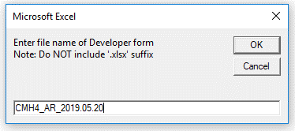

4. Click OK on the confirmation message prompt

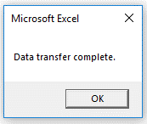

Note: In order for this macro to work, BOTH workbook files need to be opened

Step 2: Push Data to Database
1. Validate all information has been properly transferred to this workbook
2. Navigate to the "GMP Breakdown" tab's Control Manager and click on the "Save Data" button
Please allow ~15 seconds for transfer to complete.
3. Type in respective Business Unit alignment in text field and click OK
Please note this has been auto-populated for NACF. No action is needed, if this is the case; click OK to proceed.

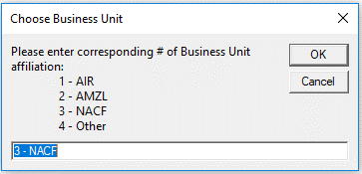

4. If the submission is successful, you will receive a confirmation of upload. Click OK to finish
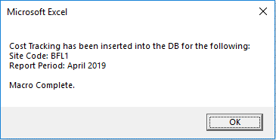

Note: If you receive any error messages upon clicking "Save Data", please carefully read the call out, address the concern(s), and click "Save Data" button again once you are ready to re-submit

5. After confirming completion, click Clear Template

Appendix:

Notes
• Please refrain from using special characters in any of the string text fields
OKAY characters include:
 | ✔ periods (.)
 | ✔ hyphens (-)
 | ✔ forward-slash (/)
 | ✔ backward-slash (\)
 | ✔ parenthesis ( )

• Date of the tracker [ 'GMP Breakdown'!C5 ] should yield the current date of data entry
(If not current date, then at least same month to which tracker was received from developer)

• Report Date is calculated as 'GMP Breakdown'!C5 - 1 month
Example: If the date entered in cell 'GMP Breakdown'!C5 = 05/20/2019 then the report date for that tracker will yield April 2019

FAQs

How do I install the Microsoft ODBC Driver?
Pre-requisite to installation: Identify which Microsoft Office Suite you are using, either 32-bit or 64-bit |  | Don't know? Click here to find out.

 | - If you are using MSFT Office 32-bit, you can install this by navigating to Amazon’s Software Center located on your machine:
 | Windows > Software Center > MySQL ODBC Connector 32-Bit

 | - If you are using MSFT Office 64-bit, please follow the instructions outlined in the following user manual:
 | ODBC Driver Installation Guide

Please contact the BIMOE team if you continue to experience issues after troubleshooting the two bullets listed above

I receive a run-time "Microsoft ODBC Driver Manager" error when attempting to Save Data. How can I resolve this?
Please ensure you have downloaded Microsoft's ODBC driver (version 5.3) on your machine. (Any variation of 5.3.XX is okay!)
For guidance on how to install the driver, please refer to the above question & answer.
If you have already installed the driver, try troubleshooting the following:
 | ✔ Do you have multiple ODBC driver versions installed? If so, uninstall the others which do not align to the 5.3 version
 | ✔ Open the ODBC Data Sources program on your machine.
 | Ensure you open the bit-version aligned to the Microsoft Office Suite you are using and have downloaded the driver for
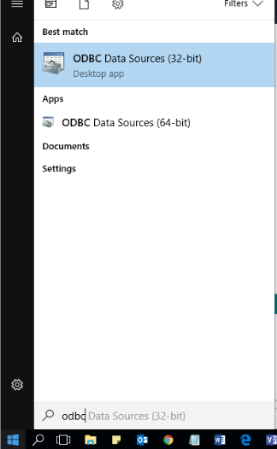

 | Click on "Drivers" tab. Check if "MySQL ODBC 5.3 ANSI Driver"
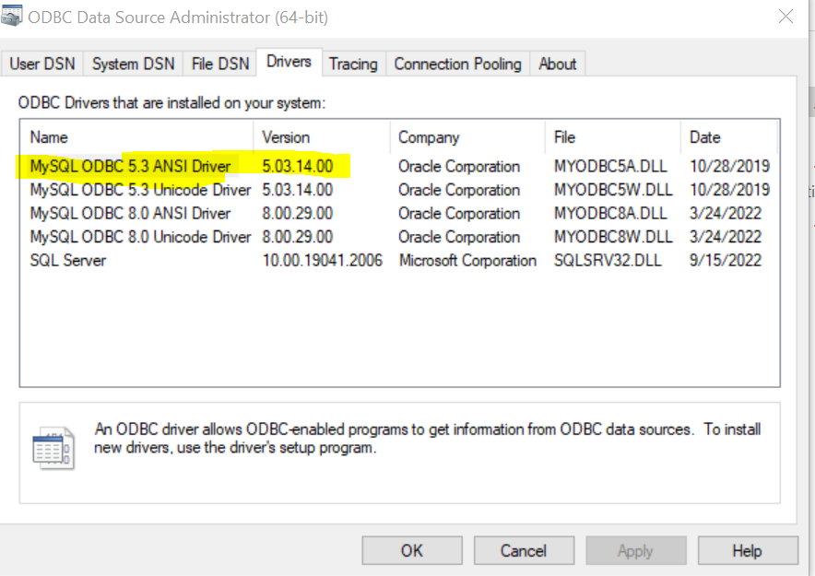

 | If "MySQL ODBC 5.3 ANSI Driver" exists, the install is completed.
 | Otherwise, Please process the steps below

 | Click on Add under the "User DSN" tab. A new window will pop up
 | Scroll to see if "MySQL ODBC 5.3 ANSI Driver" is listed. If not, please refer to the question & answer above for instruction on how to install the correct driver
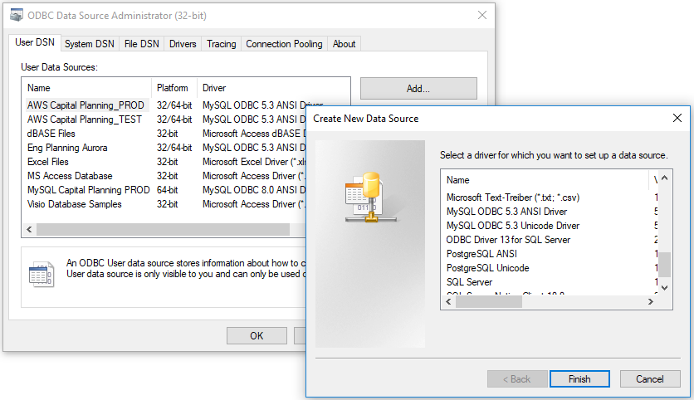

Please contact the BIMOE team if you continue to experience issues after troubleshooting the two bullets listed above

How do I know which Microsoft Office Suite I'm using?
1. In this workbook, click on File > Account
2. Click on the About Excel icon

3. Note the bit-version at the end of the first line
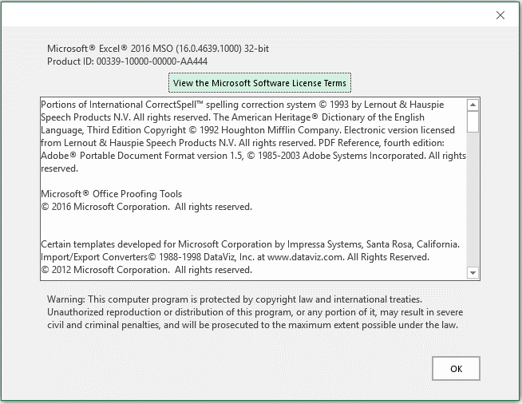

I receive a message prompt to override the data, what do I do?
This tool allows users the flexibility to re-enter data in case of any mistakes or changes needed.
If you ever need to make an adjustment, please follow guidance outlined on the message prompt and click OK
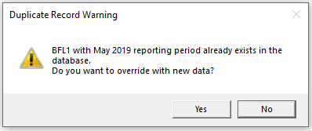

USERS WILL NOT BE ABLE TO MODIFY HISTORICAL DATA OVER 1 MONTH LAG!
Example: If current date is 06/06/2019, you will not be able to make any changes for a April 2019 tracker.

Should you need to make any revisions for whatever reason, please contact bimoe@amazon.com for assistance.

TI Allowance & Contingency
CONFIDENTIAL INFORMATION

DESIGNATED TENANT IMPROVEMENT ALLOWANCE AND TENANT CONTINGENCY TRACKER

Date: | 0

Site Code: | 0
City | 0
Developer: | 0
Contractor: | 0
Architect: | 0

CONTINGENCY CATEGORY
Unhide
Tenant Contingency | CO# / REFERENCE | ESTIMATE | ACTUAL COST | COMMENT

SUBTOTAL |  | $- | $-
Tenant Contingency | $-

Designated Tenant Allowance - Sprinkler Head Adjustments @ MHE | CO# / REFERENCE | ESTIMATE | ACTUAL COST | COMMENT

SUBTOTAL |  | $- | $-
Sprinkler Head Adjustments @ MHE | $-

Designated Tenant Allowance - Temporary Toilets | CO# / REFERENCE | ESTIMATE | ACTUAL COST | COMMENT

SUBTOTAL |  | $- | $-
Temporary Toilets | $-

Designated Tenant Allowance - Tenant Vendor Dumpster Allowance | CO# / REFERENCE | ESTIMATE | ACTUAL COST | COMMENT

SUBTOTAL |  | $- | $-
Tenant Vendor Dumpster Allowance | $-

Designated Tenant Allowance - Tenant's Power Usage from Early Access to TCO | CO# / REFERENCE | ESTIMATE | ACTUAL COST | COMMENT

SUBTOTAL |  | $- | $-
Tenant's Power Usage from Early Access to TCO | $-

Designated Tenant Allowance - Exterior Signage & Markings | CO# / REFERENCE | ESTIMATE | ACTUAL COST | COMMENT

SUBTOTAL - Tenant's Power Usage from Early Access to TCO |  | $- | $-
SUBTOTAL - Exterior Signage & Markings | $-

Designated Tenant Allowance - MEP for Amazon Platforms | CO# / REFERENCE | ESTIMATE | ACTUAL COST | COMMENT

SUBTOTAL |  | $- | $-
MEP for Amazon Platforms | $-

Designated Tenant Allowance - Floor Remediation @ RSP & Sorter Platforms | CO# / REFERENCE | ESTIMATE | ACTUAL COST | COMMENT

SUBTOTAL |  | $- | $-
Floor Remediation @ RSP & Sorter Platforms | $-

Designated Tenant Allowance - Scanning for Curvature | CO# / REFERENCE | ESTIMATE | ACTUAL COST | COMMENT

SUBTOTAL |  | $- | $-
Scanning for Curvature | $-

Designated Tenant Allowance - Other (Describe) | CO# / REFERENCE | ESTIMATE | ACTUAL COST | COMMENT

SUBTOTAL |  | $- | $-
Other (Describe) | $-

TOTAL DESIGNATED TENANT IMPROVEMENT ALLOWANCE AND TENANT CONTINGENCY | $- | $- | $-

VARIANCE TO LINE ITEM AMOUNT |  |  | $-

TI ALLOWANCE & CONTINGENCY REMAINING |  |  | $-

AMOUNT RETURNED TO AMAZON

